Agency Radio Auth Worksheet
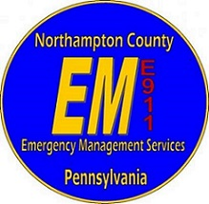
Agency Radio Authorization Worksheet |  |  |  |  |  |  |  |  |  |  |  | PLEASE DO NOT WRITE IN THIS AREA
 |  |  | Department / Agency:
 |  |  | Address:
 |  |  | City: |  | State: |  | Zip:
 |  |  | Type of Agency: | - |  |  |  |  |  |  |  | ↓ NCEMS USE ONLY ↓

Radio Use (Display @ 911 Ctr.) | MDC ID (9901) | P25 ID (1199001) | Location (Command Unit / P90 Car 1) | Manufacturer (Moto / Harris / Kenwood) | Serial Number | Model (XPR-5550e / XL200 / NX3500) | Band (UHF/VHF/ALL) | P25 Compliant (Meets County Requirements) | Purchase Date | Vendor Purchased from | Agency / Person Programming | Date Entered into Zetron

Yearly verification completed by AJO on
Submission of this worksheet in no way constitutes authorization and/or permission to operate any of the radio(s) listed on this worksheet.
By signing this worksheet I am requesting authorization on behalf of my Department/Agency to program and operate the above radio(s) on Northampton County frequencies. I certify the radio(s) listed are an asset of my Department/Agency.
Submit this form via email to A.J. Olszewski II at Northampton County Emergency Management Services aolszewski@ncem-pa.org

Print Name |  |  |  |  | Signature |  |  |  | Rank |  | Date

